Basics about Charts
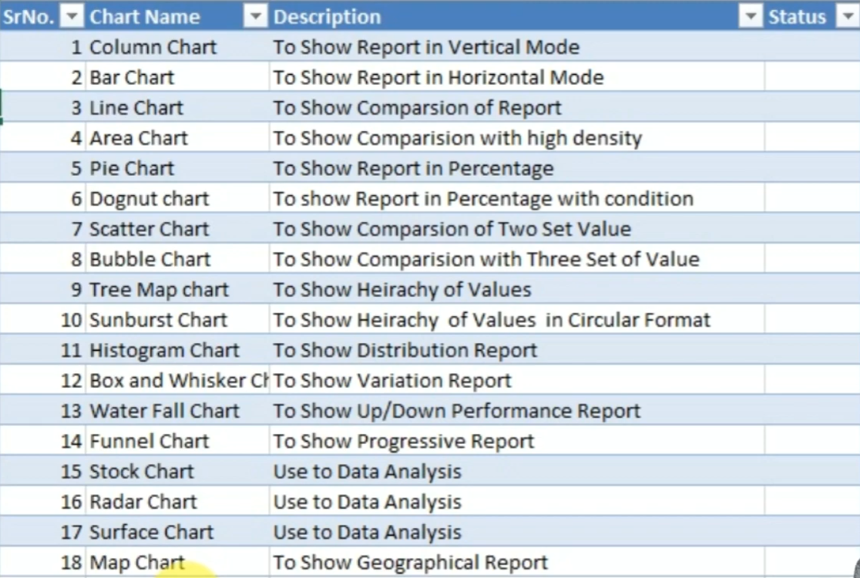
 | Chart & Dynamics Chart
Chart >>>> Graphical Representation of Summarized Data/Report
Eg . Column .Pie, Line,Bar etc.

Graphs >>>> Combination of Chart
Eg. Line chart with column chart

Shortcut Keys >>>>>> Select Report and Press F11

Types of Charts

Pivot Charts
Pivot Chart

Normal Charts >> Normal charts are not flexible … gives the charts about the detail of every record | Pivot Charts >> are very very Flexible ..they give you the chart of only subtotal representation of the data

ID | Months | Source | Prodcuts | Revenue
2017-08-20 | May | online | printer | 524
2014-02-10 | Jun | online | computer | 203 | Sum of Revenue | Column Labels
2021-09-08 | Jul | WebBooking | computer | 607 | Row Labels | May | Jun | Jul | Grand Total
2015-01-02 | Aug | WebBooking | printer | 298 | computer | 502 | 203 | 607 | 1312
2020-02-16 | Sep | Retail | computer | 369 | laptop | 269 | 551 |  | 820
2021-04-20 | may | Retail | printer | 365 | mobile | 201 |  | 587 | 788
2017-07-17 | May | Retail | computer | 502 | Grand Total | 972 | 754 | 1194 | 2920
2017-04-29 | Jun | WebBooking | pendrive | 252
2019-04-13 | Jul | WebBooking | camera | 769
 | May | Jun | Jul
computer | 502 | 203 | 607
laptop | 269 | 551
mobile | 201 |  | 587
2018-01-21 | Aug | online | laptop | 785
2016-05-22 | Sep | online | mobile | 205
2017-11-06 | may | online | laptop | 269
2023-07-24 | May | online | mouse | 465
2017-01-27 | Jun | online | tablet | 534
2016-07-02 | Jul | Retail | camera | 359
2021-06-23 | Aug | Retail | pendrive | 572
2020-10-01 | Sep | Retail | tablet | 706
2015-10-02 | may | Retail | mouse | 533
2018-11-05 | May | WebBooking | mobile | 201
2014-03-13 | Jun | WebBooking | laptop | 551
2023-04-10 | Jul | WebBooking | mouse | 407
2019-02-21 | Aug | WebBooking | tablet | 569
2021-06-23 | Sep | WebBooking | mouse | 305
2022-11-29 | may | online | camera | 680
2016-11-19 | May | online | pendrive | 489
2016-02-14 | Jun | online | camera | 713
2022-06-23 | Jul | Retail | mobile | 587
2020-03-08 | Aug | Retail | laptop | 470
2018-10-14 | Sep | Retail | mobile | 356

Plotted Charts
Column Chart Retail Revenue by Month
Bar Chart Online VS Retail
Date | Month | Source | Product | Revenue
2017-08-20 | May | online | printer | 524
2014-02-10 | Jun | online | computer | 203
2021-09-08 | Jul | WebBooking | computer | 607
2015-01-02 | Aug | WebBooking | printer | 298
Line Chart
2020-02-16 | Sep | Retail | computer | 369
2021-04-20 | may | Retail | printer | 365
2017-07-17 | May | Retail | computer | 502
2017-04-29 | Jun | WebBooking | pendrive | 252
2019-04-13 | Jul | WebBooking | camera | 769
2018-01-21 | Aug | online | laptop | 785
2016-05-22 | Sep | online | mobile | 205
2017-11-06 | may | online | laptop | 269
2023-07-24 | May | online | mouse | 465 | Data Refined Manually using SUMIFS
2017-01-27 | Jun | online | tablet | 534 | Month | Retail | Online | WebBooking | Total
2016-07-02 | Jul | Retail | camera | 359 | May | 1400 | 2427 | 201 | 4028
Clustered Column-Line Chart Retail vs Online Revenue
2021-06-23 | Aug | Retail | pendrive | 572 | Jun | 0 | 1450 | 803 | 2253
2020-10-01 | Sep | Retail | tablet | 706 | Jul | 946 | 0 | 1783 | 2729
2015-10-02 | may | Retail | mouse | 533 | Aug | 1042 | 785 | 867 | 2694
2018-11-05 | May | WebBooking | mobile | 201 | Sep | 1431 | 205 | 305 | 1941
2014-03-13 | Jun | WebBooking | laptop | 551 | Total | 4819 | 4867 | 3959 | 13645
Stacked Bar Chart Retail Vs Online Vs WebBOoking
2023-04-10 | Jul | WebBooking | mouse | 407
2019-02-21 | Aug | WebBooking | tablet | 569
2021-06-23 | Sep | WebBooking | mouse | 305 |  | =SUMIFS($E$2:$E$30,$B$2:$B$30,$G16,$C$2:$C$30,H$15)
2022-11-29 | may | online | camera | 680
2016-11-19 | May | online | pendrive | 489
2016-02-14 | Jun | online | camera | 713
2022-06-23 | Jul | Retail | mobile | 587
2020-03-08 | Aug | Retail | laptop | 470 | Row Labels | Sum of Revenue
2018-10-14 | Sep | Retail | mobile | 356 | May | 4028
 |  |  |  |  | Jun | 2253
 |  |  |  |  | Jul | 2729
 |  |  |  |  | Aug | 2694
Stacked Column Chart Retail vs Online vs WebBooking
 |  |  |  |  | Sep | 1941
 |  |  |  |  | Grand Total | 13645

Pie Chart

